Answer 1
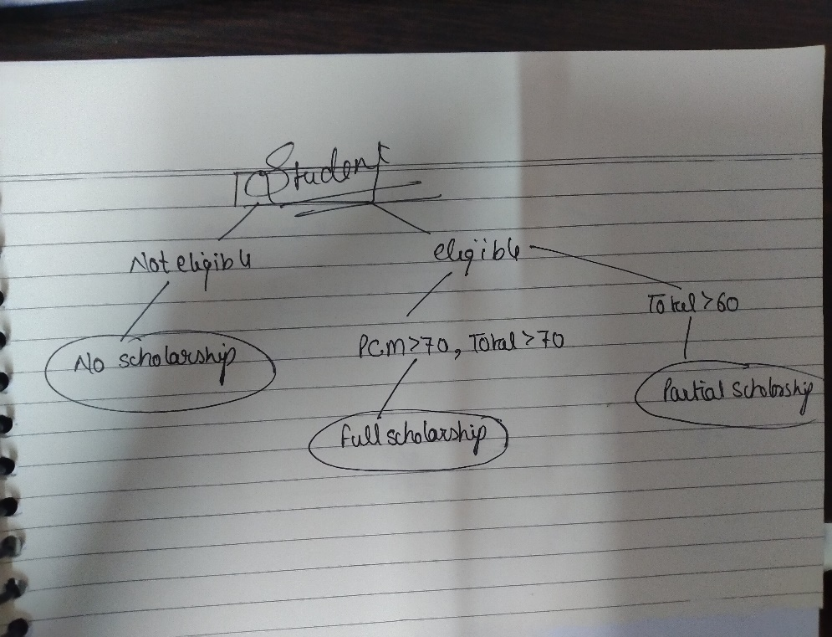
Q1- Can you please create a Report Card and Recommendation Engine like below Template

For 10th Class
If the Student is Good i.e. above 60 is Maths & Science, offer PCM,
If the Student is Good in PCM and Total above 60% offer for Partial Scholarship
If the Student scored above 70 in PCM and Above 70 in Total, Offer full Scholarship
Student name should be dynamically added

Student Name | Class | Eligible for PCM | Eligible for Scholarship (Full or Partial) | STEPS:
ANIL | 10 | Eligible | Full Scholarship | 1 | Logic developed using Tree Diagram.
 |  |  |  | 2 | If condition is used using Vloopup and And Function.
 |  |  |  | 3 | Creation on PCM % table.

Answer 2
Q2- Student scoring exceptional in Language (above 70) should be selected to present School at a Event, the minimum expectation the person should be able to attend and clear all their exams with 50%
The criteria is, If the Student Scored Good in Maths and exceptional in Language will represent the School.

Students | Class | Maths | Science | Social Studies | Language | Total | percentage | Qualified Students | Qualified Students | Qualified
AAKASH | 8 | 62 | 62 | 79 | 76 | 279 | 69.75 | Qualified
AAMIR | 9 | 47 | 84 | 85 | 60 | 276 | 69 | Not Qualified | Row Labels | Class
ABHI | 7 | 60 | 48 | 50 | 67 | 225 | 56.25 | Not Qualified | AAKASH | 8
ABHISHEKH | 9 | 61 | 89 | 65 | 90 | 305 | 76.25 | Qualified | ABHISHEKH | 9
ADNAN | 9 | 57 | 58 | 70 | 89 | 274 | 68.5 | Not Qualified | AKASH | 9
AKASH | 9 | 68 | 76 | 83 | 72 | 299 | 74.75 | Qualified | ANIL | 10
AKHILESH | 9 |  |  |  |  | 0 | 0 | Not Qualified | ANKIT | 8
AKKASH | 6 | 51 | 56 | 44 | 89 | 240 | 60 | Not Qualified | BABLU | 7
ANIL | 10 | 77 | 90 | 56 | 84 | 307 | 76.75 | Qualified | BHUPENDER | 9
ANKIT | 8 | 66 | 89 | 68 | 83 | 306 | 76.5 | Qualified | BIRENDER | 7
ANUBHAV | 9 | 57 | 59 | 82 | 64 | 262 | 65.5 | Not Qualified | CHANDESH | 8
ARINDRA | 9 |  |  |  |  | 0 | 0 | Not Qualified | GAJENDER | 9
ARJUN | 8 | 43 | 64 | 62 | 66 | 235 | 58.75 | Not Qualified | GULSHAN | 8
ARUN | 7 | 50 | 82 | 86 | 66 | 284 | 71 | Not Qualified | HARSH | 6
ARVIND | 6 | 51 |  | 54 | 89 | 194 | 48.5 | Not Qualified | JAHOOR | 6
ASLAM | 10 |  |  |  |  | 0 | 0 | Not Qualified | KHURSID | 6
AXAT | 6 | 60 | 48 | 62 | 47 | 217 | 54.25 | Not Qualified | KUSHAL | 9
AZARUDDIN | 7 | 81 | 85 | 83 | 43 | 292 | 73 | Not Qualified | NEERAJ | 9
BABLU | 7 | 61 | 85 | 82 | 79 | 307 | 76.75 | Qualified | PARVESH | 6
BADSHYA | 10 |  |  |  |  | 0 | 0 | Not Qualified | PAWAN | 9
BHAGWATI | 10 |  |  |  |  | 0 | 0 | Not Qualified | PULKIT | 9
BHUPENDER | 9 | 83 | 40 | 42 | 76 | 241 | 60.25 | Qualified | RAJA | 9
BIRENDER | 7 | 89 | 83 | 67 | 71 | 310 | 77.5 | Qualified | RAJU | 6
CHANDERPAL | 8 | 80 | 61 | 73 | 62 | 276 | 69 | Not Qualified | SHEAK | 6
CHANDESH | 8 | 83 | 44 | 45 | 74 | 246 | 61.5 | Qualified | TAMMANNE | 6
CHOTELAL | 9 |  |  |  |  | 0 | 0 | Not Qualified | VISHAL | 9
DEVINDER | 7 | 71 | 89 | 55 | 49 | 264 | 66 | Not Qualified | YOGITA | 7
DHARAM | 8 |  |  |  |  | 0 | 0 | Not Qualified | Grand Total | 195
DINESH | 7 | 50 | 49 | 84 | 76 | 259 | 64.75 | Not Qualified
DIPENDRA | 6 |  |  |  |  | 0 | 0 | Not Qualified
DOODHNATH | 6 |  |  |  |  | 0 | 0 | Not Qualified | Steps | Apply conditional statement
DURGESH | 7 | 48 |  | 62 | 55 | 165 | 41.25 | Not Qualified |  | and using conditional format mark Qualified
FARMAAN | 8 | 59 | 51 | 63 | 68 | 241 | 60.25 | Not Qualified |  | Create Pivot table
GAJENDER | 9 | 82 | 40 | 84 | 83 | 289 | 72.25 | Qualified |  | Tree Logic Diagram
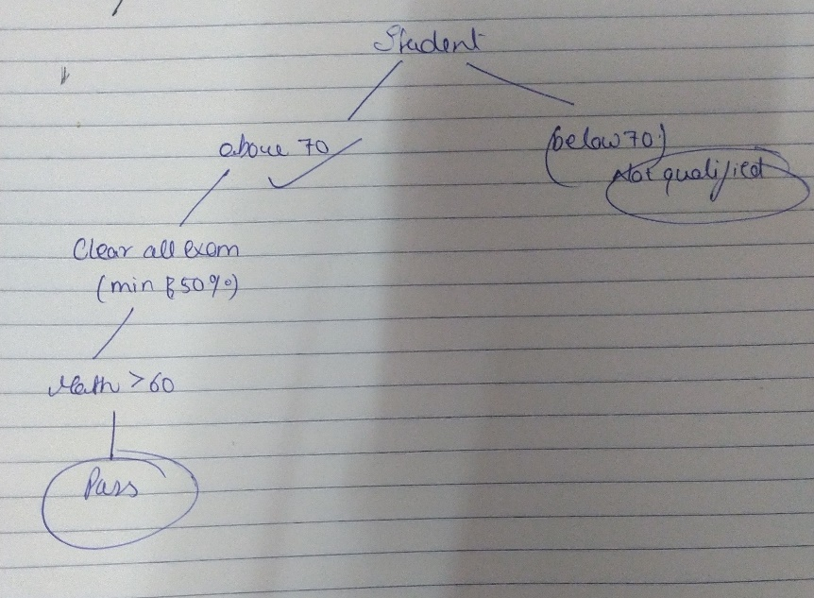
GULSHAN | 8 | 87 | 61 | 63 | 89 | 300 | 75 | Qualified
HAR | 8 | 68 | 87 | 47 | 58 | 260 | 65 | Not Qualified
HARSH | 6 | 73 | 72 | 88 | 80 | 313 | 78.25 | Qualified
HEMANT | 8 | 89 | 53 | 47 | 40 | 229 | 57.25 | Not Qualified
HIMANSHU | 6 | 54 | 63 | 57 | 45 | 219 | 54.75 | Not Qualified
IMAMUDEEN | 6 | 77 | 42 | 54 | 40 | 213 | 53.25 | Not Qualified
IRFAN | 6 | 90 | 60 | 79 | 50 | 279 | 69.75 | Not Qualified
JAGDISH | 9 | 82 | 69 | 47 | 69 | 267 | 66.75 | Not Qualified
JAHOOR | 6 | 88 | 57 | 53 | 84 | 282 | 70.5 | Qualified
JAMIL | 7 | 84 | 60 |  | 60 | 204 | 51 | Not Qualified
JASWANT | 10 | 88 | 70 | 85 | 45 | 288 | 72 | Not Qualified
JITENDER | 9 | 59 | 61 | 51 | 42 | 213 | 53.25 | Not Qualified
KABIR | 6 | 47 | 76 | 42 | 43 | 208 | 52 | Not Qualified
KAILASH | 6 |  |  |  |  | 0 | 0 | Not Qualified
KALI | 8 |  |  |  |  | 0 | 0 | Not Qualified
KAMAL | 10 | 47 | 60 | 63 | 65 | 235 | 58.75 | Not Qualified
KASID | 10 | 46 | 70 | 63 | 56 | 235 | 58.75 | Not Qualified
KAUSAL | 8 | 56 | 85 | 76 | 68 | 285 | 71.25 | Not Qualified
KESHAR | 8 |  | 42 | 79 | 56 | 177 | 44.25 | Not Qualified
KHADAK | 8 | 42 | 51 | 53 | 86 | 232 | 58 | Not Qualified
KHURSID | 6 | 90 | 67 | 77 | 85 | 319 | 79.75 | Qualified
KUSHAL | 9 | 78 | 50 | 59 | 82 | 269 | 67.25 | Qualified
MAANSINGH | 10 | 44 | 59 | 60 | 82 | 245 | 61.25 | Not Qualified
MAYANK | 6 | 52 | 46 | 53 | 61 | 212 | 53 | Not Qualified
MD | 6 | 78 | 47 | 62 | 59 | 246 | 61.5 | Not Qualified
MD. | 6 | 64 |  | 75 | 67 | 206 | 51.5 | Not Qualified
MIDDA | 7 | 80 | 61 | 68 | 48 | 257 | 64.25 | Not Qualified
MOHABBAT | 9 | 55 |  | 82 | 41 | 178 | 44.5 | Not Qualified
MOTI | 10 | 44 | 52 |  | 70 | 166 | 41.5 | Not Qualified
MUBARIK | 6 | 75 |  |  |  | 75 | 18.75 | Not Qualified
MUKUL | 6 | 45 | 72 | 51 | 59 | 227 | 56.75 | Not Qualified
MURARI | 9 | 76 | 90 | 73 | 68 | 307 | 76.75 | Not Qualified
NAHAR | 9 | 61 |  | 73 | 48 | 182 | 45.5 | Not Qualified
NANKU | 9 | 53 | 56 | 71 | 67 | 247 | 61.75 | Not Qualified
NAUSAD | 8 | 89 | 84 | 73 | 43 | 289 | 72.25 | Not Qualified
NEERAJ | 9 | 74 | 59 | 43 | 89 | 265 | 66.25 | Qualified
NIRAJ | 6 | 75 | 44 | 74 | 60 | 253 | 63.25 | Not Qualified
NITIN | 9 |  |  |  |  | 0 | 0 | Not Qualified
PANKAJ | 8 | 56 | 59 | 51 | 51 | 217 | 54.25 | Not Qualified
PARVESH | 6 | 79 |  | 52 | 73 | 204 | 51 | Qualified
PAWAN | 9 | 67 | 85 | 69 | 72 | 293 | 73.25 | Qualified
PINTU | 7 | 57 | 58 | 49 | 82 | 246 | 61.5 | Not Qualified
PREETAM | 8 | 51 | 77 | 85 | 74 | 287 | 71.75 | Not Qualified
PULKIT | 9 | 88 | 42 | 53 | 85 | 268 | 67 | Qualified
PUNIT | 9 | 80 | 70 | 67 | 55 | 272 | 68 | Not Qualified
RAGHUNANDAN | 7 | 88 | 66 | 52 | 51 | 257 | 64.25 | Not Qualified
RAJ | 8 | 44 | 60 | 59 | 64 | 227 | 56.75 | Not Qualified
RAJA | 9 | 77 | 84 |  | 84 | 245 | 61.25 | Qualified
RAJEEV | 8 | 79 | 45 | 53 | 46 | 223 | 55.75 | Not Qualified
RAJENDER | 8 | 53 | 86 | 86 | 50 | 275 | 68.75 | Not Qualified
RAJU | 6 | 67 | 59 | 81 | 74 | 281 | 70.25 | Qualified
RAKESH | 6 | 59 | 90 | 69 | 79 | 297 | 74.25 | Not Qualified
RAMDIN | 8 | 83 | 68 | 63 | 65 | 279 | 69.75 | Not Qualified
RIJUL | 7 |  | 78 | 49 | 69 | 196 | 49 | Not Qualified
RIYASAT | 9 |  |  |  |  | 0 | 0 | Not Qualified
RIZWAN | 8 | 85 | 53 | 68 | 48 | 254 | 63.5 | Not Qualified
RUPESH | 8 | 49 | 79 | 80 | 51 | 259 | 64.75 | Not Qualified
SACHIN | 9 | 50 | 50 | 88 | 43 | 231 | 57.75 | Not Qualified
SALMAN | 7 | 41 | 62 | 52 | 70 | 225 | 56.25 | Not Qualified
SANTLAL@GOLU | 10 | 42 | 79 | 41 | 48 | 210 | 52.5 | Not Qualified
SARAIN | 9 | 90 | 86 | 79 | 61 | 316 | 79 | Not Qualified
SARBJEET | 9 | 58 | 76 | 49 | 47 | 230 | 57.5 | Not Qualified
SARVESH | 9 | 82 | 81 | 42 | 66 | 271 | 67.75 | Not Qualified
SEVAK | 8 | 81 | 75 | 58 | 56 | 270 | 67.5 | Not Qualified
SHAFIBUL | 9 | 72 | 50 | 90 | 50 | 262 | 65.5 | Not Qualified
SHARAT | 6 | 69 | 61 | 64 | 56 | 250 | 62.5 | Not Qualified
SHEAK | 6 | 71 | 76 | 82 | 80 | 309 | 77.25 | Qualified
SHELENDER | 8 | 86 | 79 | 44 | 57 | 266 | 66.5 | Not Qualified
SHIVAM | 10 | 56 | 75 | 73 | 80 | 284 | 71 | Not Qualified
SHYAM | 9 | 78 | 46 |  |  | 124 | 31 | Not Qualified
SILENDER | 7 |  |  |  |  | 0 | 0 | Not Qualified
SOM | 7 | 79 | 42 | 64 | 57 | 242 | 60.5 | Not Qualified
SPARSH | 7 | 86 | 83 | 86 | 40 | 295 | 73.75 | Not Qualified
SUNDER | 7 | 58 | 64 | 50 | 76 | 248 | 62 | Not Qualified
SUPRIYAL | 7 | 54 | 68 |  | 42 | 164 | 41 | Not Qualified
SURAJ | 10 | 65 | 73 | 81 | 53 | 272 | 68 | Not Qualified
SURENDER | 8 | 59 | 85 | 41 | 85 | 270 | 67.5 | Not Qualified
TALIM | 8 | 71 | 66 | 48 | 49 | 234 | 58.5 | Not Qualified
TAMMANNE | 6 | 82 | 84 | 57 | 90 | 313 | 78.25 | Qualified
TARJAN | 8 | 44 | 47 | 46 | 55 | 192 | 48 | Not Qualified
VIKAS | 7 | 60 | 90 | 49 | 77 | 276 | 69 | Not Qualified
VIKASH | 9 |  |  |  |  | 0 | 0 | Not Qualified
VIKRAM | 10 | 47 | 56 | 70 | 53 | 226 | 56.5 | Not Qualified
VINIT | 7 |  |  |  |  | 0 | 0 | Not Qualified
VINOD | 10 | 40 | 85 | 47 | 69 | 241 | 60.25 | Not Qualified
VISHAL | 9 | 71 | 83 | 87 | 74 | 315 | 78.75 | Qualified
YASH | 8 | 48 | 81 | 69 | 69 | 267 | 66.75 | Not Qualified
YOGESH | 8 | 80 | 66 | 42 | 43 | 231 | 57.75 | Not Qualified
YOGITA | 7 | 86 | 49 | 59 | 86 | 280 | 70 | Qualified
YOGNDER | 8 | 83 | 75 | 46 | 52 | 256 | 64 | Not Qualified

